Sheet1
ITEM# | ITEM DESCRIPTION | CSPK | UNITS | CASES
2513J-AQUA | Plastic Handbag "Jeans Style" - Aqua | 6 | 2022 | 337
2513J-BLACK | Plastic Handbag "Jeans Style" - Black | 6 | 1542 | 257
2513J-FUCHSHIA | Plastic Handbag "Jeans Style" - Fuchshia | 6 | 2730 | 455
2513J-GOLD | Plastic Handbag "Jeans Style" - Gold | 6 | 918 | 153 | Ladies Handbags - “GREAT BAG CO.”
2513J-GREEN | Plastic Handbag "Jeans Style" - Green | 6 | 1212 | 202 | Good colours and quantity available….
2513J-ORANGE | Plastic Handbag "Jeans Style" - Orange | 6 | 1230 | 205 | Goods are in Canada as noted below..but duty free into the U.S (Made in Canada)
2513L-AQUA | Plastic Handbag "Lock Style" - Aqua | 6 | 1380 | 230
2513L-GREEN | Plastic Handbag "Lock Style" - Green | 6 | 1338 | 223 | RESTRICTIONS:
2513L-ORANGE | Plastic Handbag "Lock Style" - Orange | 6 | 1638 | 273 | Gabriel Brothers
2513L-YELLOW | Plastic Handbag "Lock Style" - Yellow | 6 | 1446 | 241 | Ocean State
 |  |  | 15456 | 2576 | Giant Tiger (Canada)
 | 120 UNITS (20 CASES) PER PALLET |  |  |  | Red Apple (Canada)
FOB MONTREAL | NO UPC
RETAIL: $120.00 USD |  |  |  |  | These are EV Foam/Composite, same material as Crocs.
 | JEANS STYLE' PICTURES
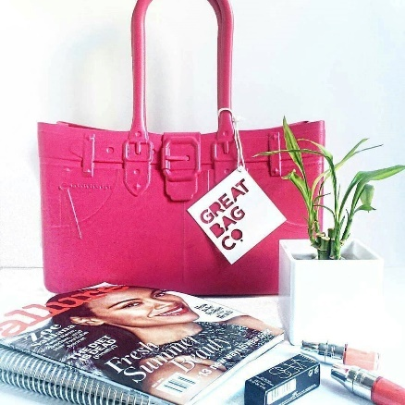
 |  |  | ACTUAL HANG TAG ( Front/Back Side) |  | DESIGNED BY ROBERT VERDI, WHO IS PRETTY WELL-KNOWN.
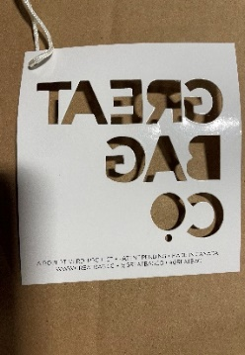
 |  |  |  |  | Looking for a take all deal/minimum order of a truckload (break down is on the attached). (Approx 3200 units per truckload)

 |  |  |  |  | FOB MONTREAL - MANUFACTURED IN MONTREAL (DUTY FREE TO THE U.S.)

 |  |  |  |  | PLEASE OFFER IF INTERESTED – VENDOR WILL CONSIDER ALL “REASONABLE” OFFERS, ESPECIALLY ON A TAKE ALL DEAL.

 |  |  |  |  | Inventory is subject to a final count, expect some minor changes…

LOCK STYLE' PICTURES
